Read me - Instructions
This template allows you to compute rankings based on output CSV from various ranking toolks online.
For this example, we have used extracts from the Poll Everywhere tool
https://pollev.com/home

I. Structure

This template is structured around three layers
a. Worksheet computing score for each criterion
b. Summary by group of criteria (Feasibility & Importance)
c. Overall summary

II. How to use

1. Adapting the summary workbook structure

1a. Adapt the criteria worksheet to the number of vaccines that you are comparing:
i. Add columns to arrays RESULTS and RAW DATA to reach the number of vaccines that you are comparing (in the current example, eight) and name the columns with incrementing numbers
ii. Add rows to the RESULTS array to reach the number of vaccines that you are comparing and name the rows with the same names of the vaccines as prompted in the survey / poll app
For example, if the name for the multivalent vaccine against Meningitis used in the survey app is MenMulti, enter "MenMulti", otherwise it won't work
iii. Ensure the formula in D6 is expanded to the entire RESULTS array
iv. Ensure the formula in C6 is expanded for the entire "Computed results" column of the RESULTS array
1b. Make as many copies of the criteria worksheet (in this example 1. Importance criteria and 2. Feasibility criteria) as needed (based on the number of criteria selected)
1c. Name each criteria worksheet X. [Criterion], X being a incremental number and [Criterion] the short name of the criterion

1d. In the orange summary sheets, add criteria worksheet names (like "3. Mortality") on line 2, splitting them between Feasibility (in the Summary - Feasibility worksheet) and Importance (in the Summary - Importance worksheet). You might need to add columns to the SCORES array, in that case, follow instructions described in the worksheet
You need to use the exact same wording as used for the worksheet names (copy and paste makes it errorproof)
1e. Add the weighting decided by the NITAG for each criterion on line 6 of the orange summary sheets
1f. In column B, add the names of the vaccines (create rows if needed), as prompted in the survey / poll app and expands/copy paste the fomula to cover all cells (easiest is to copy and paste the entire last row)
For example, if the name for the multivalent vaccine against Meningitis used in the survey app is MenMulti, enter "MenMulti", otherwise it won't work

1g. Adapt the green Summary - All worksheet by adding rows for each vaccine, inputing the correct vaccine names and expanding formula column by column

2. Inputing raw data from the polling tool | Figure 1 - Correct raw data input
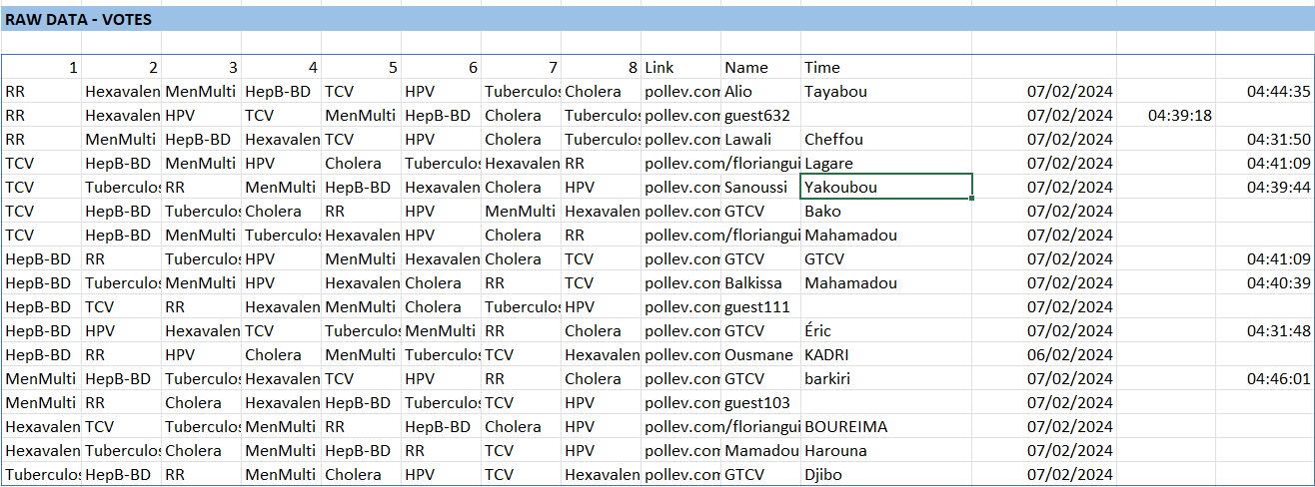
2a. Download .csv from your polling tool for a selected criterion / question
2b. Copy and paste data from the .csv file into the corresponding criteria worksheet, in the RAW DATA array, starting on cell B19
2c. Transform data from text to columns by going to the DATA menu, and then "Text to column" functionnality (ALT + A + E as a shortcut)
2d. Follow the instructions, selecting the correct text divider (for example if your data is separated by ";" enter ";")
2e. Your data should now be displayed correctly, with only one vaccine for each 1, 2, 3, etc. column (see figure 1 on the right)

3. Data cleaning

You may be faced with the following issues
3a. Data spills out of the blue array
This is often due to participants inputting a long first or last name and you selecting [Space] as the data divider -> you can correct the data manually but it should not be an issue for the calculations. It can also be that you have prepared the array wrongly (step 1a), for example by having 9 columns but 10 vaccines. In that case, you need to adapt the array as described in step 1a
3b. Several vaccines are listed in the same cell
This means you selected the wrong divider when doing step 2d. Start over and select the correct divider, meaning the character that separates colums (most often it is either ";" "," or "[Space"]
3c. Some vaccine have a computed score of ZERO
This means there is a discrepancy between how the vaccine is named in the RESULTS array and how it is named in the RAW DATA array (and therefore in the polling tool). In that case you will need to correct manually, for example by changing "HepB BD" to "HepB-BD".
3d. Other errors can be: missing data (accidentally deleting the content of one cell or having one empty row), having too many columns compared to the number of vaccines that you are comparing, etc.

Note: for errors 3b and 3c, you should see a red FALSE appearing at the bottom of the RESULTS array

Once data looks correct
3e. You need to ensure only relevant participants have ranked vaccines, by checking the name for each participant and removing votes from non relevant participants (e.g. test votes, votes from observatory members, etc.). You can do so by removing the entire row. A good practice is to ask Core NITAG members to add "NITAG" to their name to better identify their votes.
3f. It can be that some participants are identified by "guest"+ a number (like Guest354). It that case, you need to identify who submitted this vote and keep/remove it. You should also support this participant in changing his/her name on the polling website so that this issue does not happen afterwards

III. Interpretating and using data

Because the tool is designed to collect rankings from participants, the scores are computed based on rank. Therefore, THE LOWER THE SCORE THE BETTER THE VACCINE IS for each criterion.
Example: if a vaccine has a average score of 2.0, it means, on average it is scored 2nd out of all vaccines, which is better than, for example, a vaccine with an average score of 5.2

Data from each criterion can be used to display vaccines ranking per criterion during workshop #2 of the NVI Prioritization process. However, ideally you will want to sort results by Ascending order to ensure you have the highest rank vaccines on top (those with the lowest score, see above)

For clarification purpose, we suggest you use the "RELATIVE RANKINGS" outputs for summaries, because the mind better comprehend relative ranking rather than average ranks

Data from Summary - ALL can be displayed in a IMPORTANCE x FEASIBILITY matrix to support decision on vaccine priorities (document 2.3 NVI-PST - Phase 2 - Workshop 2 slidedeck)

