Read me - Instructions
This template simplifies the analysis of data collected in the google form preference survey on criteria, vaccines and timeline.
It will allow you to generate usable inputs for charts in the workshop 1 document (1.4 NVI-PST - Phase 1 - Workshop 1 slidedeck)

I. Structure

This template is structured around two layers
a. Worksheet with raw data
b. Inputs generation for charts

II. How to use

1. Inputing raw data from the polling tool

Two options are available:
1a. Copy and paste data from the google form results in .csv
i. Download raw data in .csv
ii. Copy and paste data from the .csv file into the corresponding RAW DATA - Replies worksheet, in the RAW DATA array, starting on cell B2
iii. Transform data from text to columns by going to the DATA menu, and then "Text to column" functionnality (ALT + A + E as a shortcut)
iv. Follow the instructions, selecting the correct text divider (for example if your data is separated by ";" enter ";")
v. Your data should now be displayed correctly

1b. Copy and paste data from the google form results in google sheet
i. In google form, click on "Responses", then "View in sheets"
ii. Copy and paste data from the table into the corresponding RAW DATA - Replies worksheet using the "Paste values" option

2. Adapting analysis key

2.1. Change "NITAG only key" in the top RAW DATA - Replies worksheet row:
i. Identify which answers need to be kept as NITAG only. For example, it can be "Yes" or "Yes (Core member)"
ii. Enter this answer in cell E1 of the RAW DATA - Replies worksheet
iii. This will therefore categorize all respondent that have replied this answer as NITAG members, which will appear in the charts

3. Data cleaning

Take some time to look through the data and clean it. For example
3.1 Remove test replies or unwanted replies
3.2 Remove duplicates, e.g. if someone has submitted two different questionnaires
3.3 Manually correct column E, e.g. some respondents can say they are members of the NITAG whereas they are only liaison members and therefore should not be counted as core members

III. Using the data

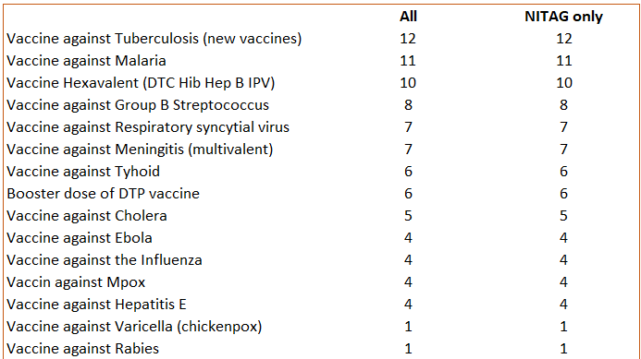
To use the data, simply copy and paste the orange squared arrays into the powerpoint charts data. These arrays are always in the 0. Input for chart(s) section of each orange worksheet
Make sure you only copy the orange array and not the rest of the data
You can stop at the first blank row, there is no need to copy the entire array if the bottom is empty

