Cover
NITAG Maturity Assessment Tool (NMAT)

The NITAG Maturity Assessment Tool (NMAT) has been developed as a practical planning, monitoring, and evaluation tool to guide NITAG development and strengthening. The NMAT provides NITAGs and partners with a mechanism to assess the maturity of a NITAG and provides a framework for organizing and prioritizing tangible and achievable next steps for NITAG strengthening activities. The NMAT provides measurable steps in NITAG maturity, designed as a logical flow of policies and procedures in place, to progress from Basic to leading edge. The NMAT is not prescriptive nor is it intended to replace existing regional or national NITAG strengthening strategies; it has been developed as a practical guide to developing a stepwise approach towards NITAG strengthening.
Continue by selecting the "Instructions" tab.

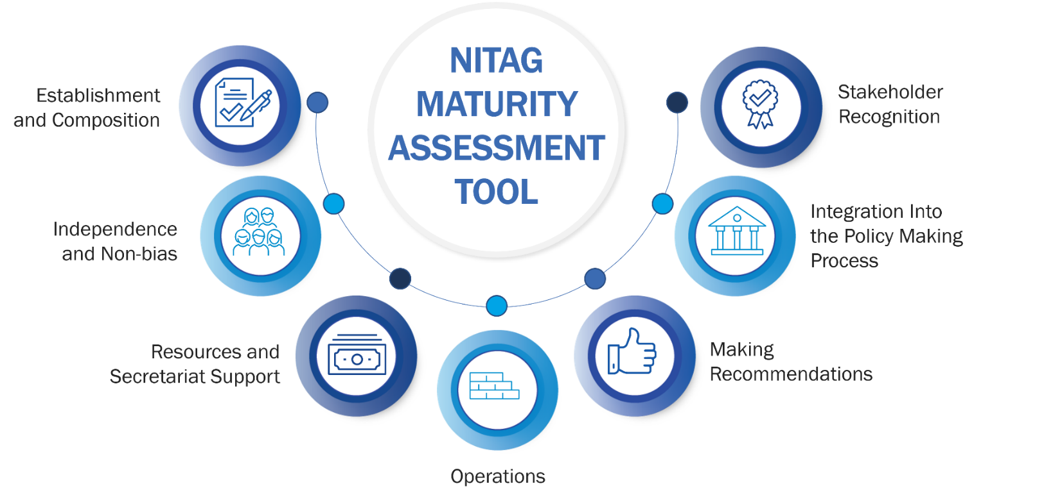

Summary
NMAT Summary

Country
 | select one in dropdown list
NITAG Name

Type of assessment |  | Self-assessment
(select one option) |  | External evaluation

Assessment Date |  | format YYYY-MM-DD

Participants

NITAG Strengths

NITAG Challenges

Results and Future Plans
See the instructions tab for more information.

Indicator | Current Maturity Level* | Planned Actions | Responsible Party | Deadline
Indicator 1 | Basic

Indicator 2 | Basic

Indicator 3 | Basic

Indicator 4 | Basic

Indicator 5 | Basic

Indicator 6 | Basic

Indicator 7 | Basic

* Automatically calculated; it reflects the highest level for which ALL subindicators are checked.

Percent of All Criteria Met |  |  |  | 0 %
% of Criteria Met for Each Indicator

Indicator | # of criteria met | Total # of Criteria | % Met
Indicator 1 | 0 | 16 | 0 %
Indicator 2 | 0 | 12 | 0 %
Indicator 3 | 0 | 16 | 0 %
Indicator 4 | 0 | 12 | 0 %
Indicator 5 | 0 | 8 | 0 %
Indicator 6 | 0 | 8 | 0 %
Indicator 7 | 0 | 8 | 0 %
All Indicators | 0 | 80 | 0 %

